Segment Map
Segment map: Staples strength vs market attractiveness
Picture = snapshot at default inputs (labelled). The Excel chart further down is live: it moves when you edit inputs or cut-offs.

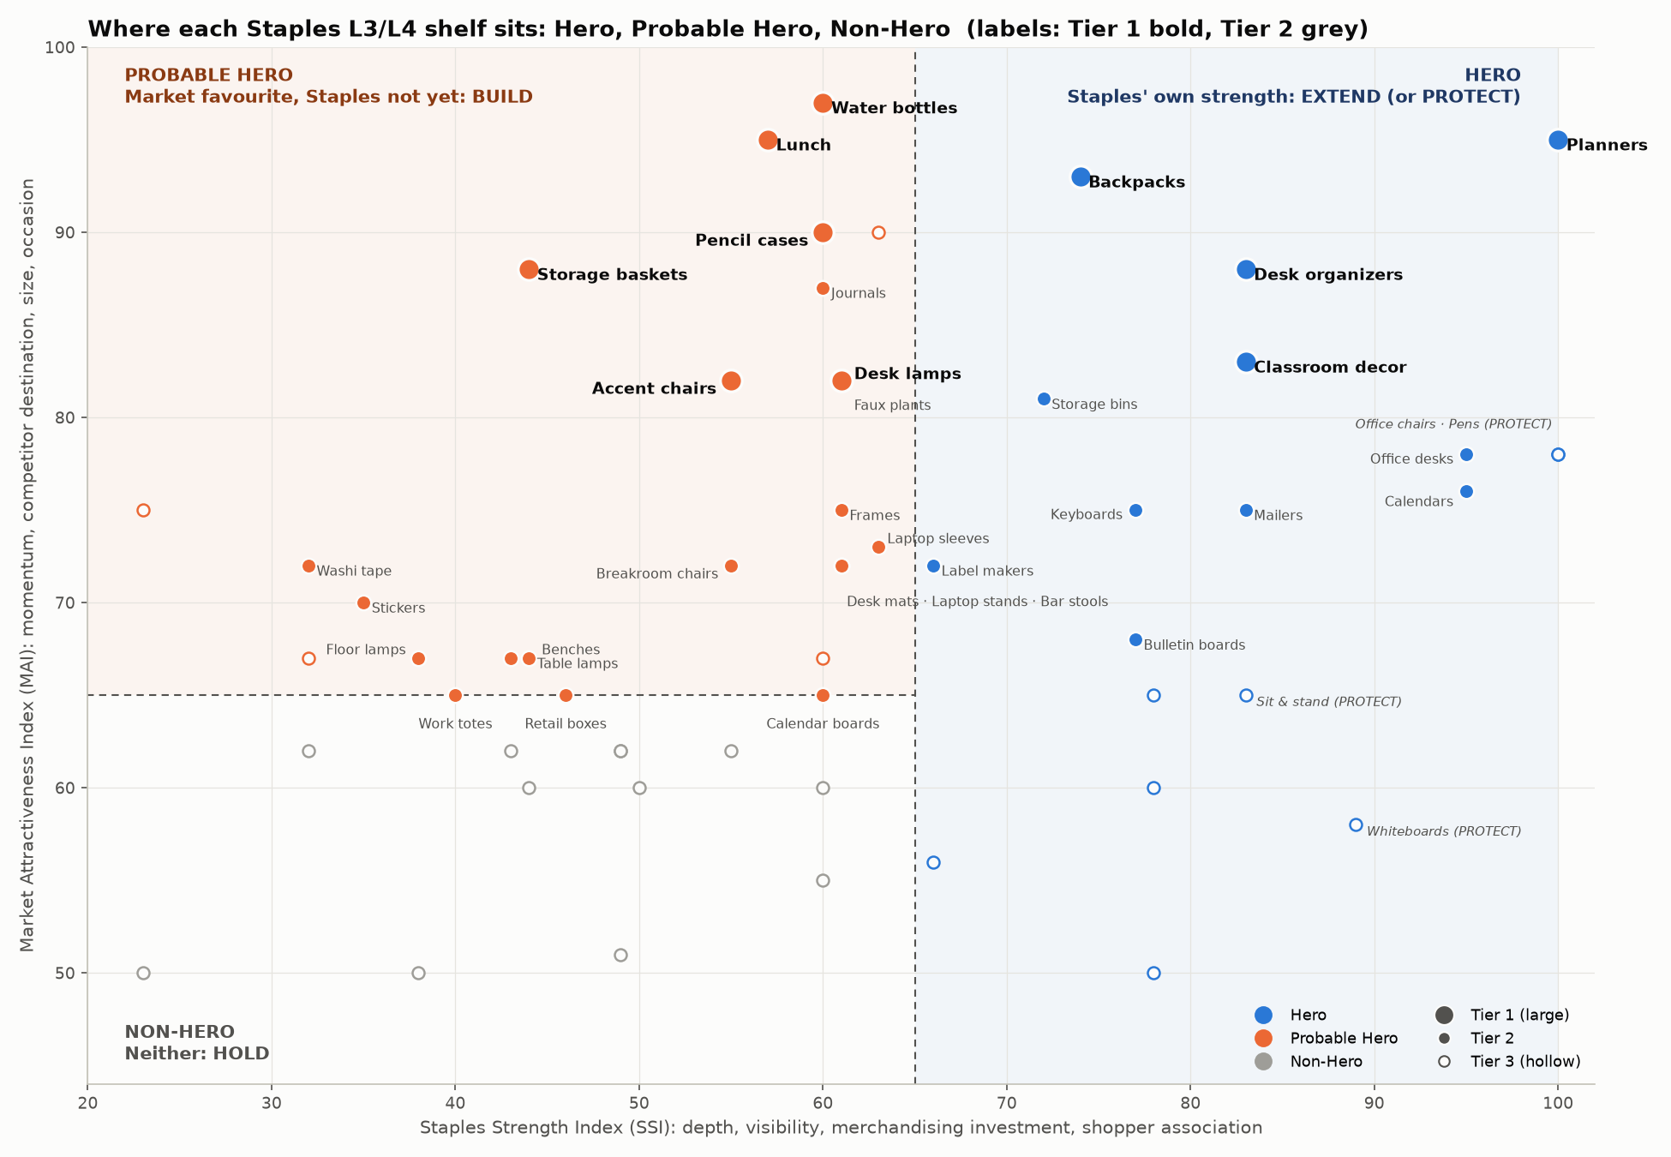

 | How to read it: right of the dashed line = Hero (Staples is already strong); top-left = Probable Hero (the market loves it, Staples is not yet a destination); bottom-left = Non-Hero.
 | Plays: Hero shelves get EXTEND (add style extensions only) or PROTECT (keep the marketplace out, e.g. Office Chairs, Pens); Probable Heroes get BUILD (fill the gap with marketplace sellers); Non-Heroes are held.
 | Tier 1 mixes both growth stories: Heroes to extend (Planners, Desk Organizers, Backpacks, Classroom Decor) and Probable Heroes to build (Water Bottles, Accent Chairs, Desk Lamps, Pencil Cases, Lunch, Storage Baskets).

Live segment map (updates with inputs)
 | Hero |  | Probable Hero |  | Non-Hero
100 | 95 | #N/A | #N/A | #N/A | #N/A
83 | 88 | #N/A | #N/A | #N/A | #N/A
#N/A | #N/A | 60 | 97 | #N/A | #N/A
#N/A | #N/A | 55 | 82 | #N/A | #N/A
#N/A | #N/A | 61 | 82 | #N/A | #N/A
#N/A | #N/A | 60 | 90 | #N/A | #N/A
74 | 93 | #N/A | #N/A | #N/A | #N/A
#N/A | #N/A | 57 | 95 | #N/A | #N/A
83 | 83 | #N/A | #N/A | #N/A | #N/A
#N/A | #N/A | 44 | 88 | #N/A | #N/A
#N/A | #N/A | 63 | 73 | #N/A | #N/A
#N/A | #N/A | 40 | 65 | #N/A | #N/A
95 | 78 | #N/A | #N/A | #N/A | #N/A
#N/A | #N/A | 60 | 87 | #N/A | #N/A
#N/A | #N/A | 55 | 82 | #N/A | #N/A
#N/A | #N/A | 32 | 72 | #N/A | #N/A
#N/A | #N/A | 35 | 70 | #N/A | #N/A
#N/A | #N/A | 61 | 72 | #N/A | #N/A
77 | 68 | #N/A | #N/A | #N/A | #N/A
#N/A | #N/A | #N/A | #N/A | 50 | 60
#N/A | #N/A | 61 | 75 | #N/A | #N/A
#N/A | #N/A | 46 | 65 | #N/A | #N/A
#N/A | #N/A | #N/A | #N/A | 55 | 62
#N/A | #N/A | 61 | 72 | #N/A | #N/A
#N/A | #N/A | 43 | 67 | #N/A | #N/A
#N/A | #N/A | 44 | 67 | #N/A | #N/A
77 | 75 | #N/A | #N/A | #N/A | #N/A
#N/A | #N/A | 55 | 72 | #N/A | #N/A
95 | 76 | #N/A | #N/A | #N/A | #N/A
#N/A | #N/A | 61 | 72 | #N/A | #N/A
#N/A | #N/A | 38 | 67 | #N/A | #N/A
66 | 72 | #N/A | #N/A | #N/A | #N/A
83 | 75 | #N/A | #N/A | #N/A | #N/A
72 | 81 | #N/A | #N/A | #N/A | #N/A
#N/A | #N/A | 60 | 65 | #N/A | #N/A
#N/A | #N/A | 32 | 67 | #N/A | #N/A
#N/A | #N/A | #N/A | #N/A | 60 | 55
100 | 78 | #N/A | #N/A | #N/A | #N/A
#N/A | #N/A | 63 | 90 | #N/A | #N/A
78 | 65 | #N/A | #N/A | #N/A | #N/A
#N/A | #N/A | #N/A | #N/A | 60 | 60
78 | 60 | #N/A | #N/A | #N/A | #N/A
66 | 56 | #N/A | #N/A | #N/A | #N/A
#N/A | #N/A | 23 | 75 | #N/A | #N/A
#N/A | #N/A | #N/A | #N/A | 43 | 62
#N/A | #N/A | #N/A | #N/A | 32 | 62
83 | 65 | #N/A | #N/A | #N/A | #N/A
100 | 78 | #N/A | #N/A | #N/A | #N/A
#N/A | #N/A | #N/A | #N/A | 44 | 60
#N/A | #N/A | #N/A | #N/A | 23 | 50
...

